Sheet1
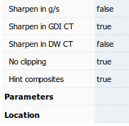
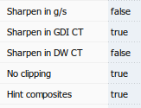
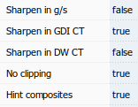
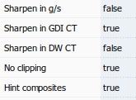
Segoe UI | Poppins UI |  | Segoe UI | Poppins UI | Segoe UI Itlic
Regular | Regular |  | Bold | Bold
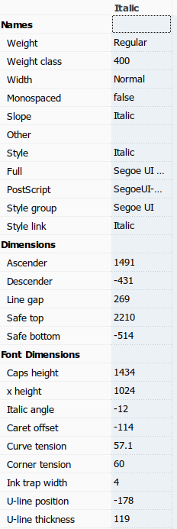

 |  |  |  |  |  | 269
 |  |  |  |  |  | 2210
 |  |  |  |  |  | -514

 |  |  |  |  |  | 1024

 |  | ******** |  |  |  | off

